SEASONS BOND
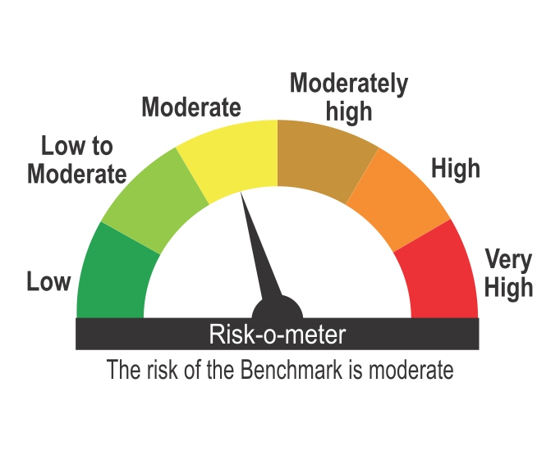
ICICI Prudential Mutual Fund
ICICI Prudential All Seasons Bond Fund
Portfolio as on Mar 31,2026
Company/Issuer/Instrument Name | ISIN | Coupon | Industry/Rating | Quantity | Exposure/Market Value(Rs.Lakh) | % to Nav | Yield of the instrument | Yield to Call @
Debt Instruments |  |  |  |  | 1240306.74 | 88.58%

Listed / Awaiting Listing On Stock Exchanges |  |  |  |  | 1236945.99 | 88.34%

Government Securities |  |  |  |  | 672345.54 | 48.02%
Government Securities | IN0020240035 | 7.34 | SOV | 118212000 | 112212.27 | 8.01% | 7.91
Government Securities | IN0020250018 | 6.9 | SOV | 112666750 | 100286.03 | 7.16% | 7.95
Government Securities | IN0020250075 | 7.24 | SOV | 41195510 | 38782.03 | 2.77% | 7.90
Government Securities | IN0020240118 | 7.09 | SOV | 40000000 | 36939.40 | 2.64% | 7.91
State Government of Maharashtra | IN2220250202 | 7.15 | SOV | 30000000 | 27675.33 | 1.98% | 8.04
State Government of Maharashtra | IN2220250194 | 7.13 | SOV | 29159500 | 26875.06 | 1.92% | 8.04
State Government of Maharashtra | IN2220240427 | 7.12 | SOV | 26457100 | 25186.23 | 1.80% | 7.90
State Government of Madhya Pradesh | IN2120250138 | 7.57 | SOV | 24491200 | 23680.54 | 1.69% | 8.06
State Government of Rajasthan | IN2920250171 | 7.57 | SOV | 24050600 | 23215.92 | 1.66% | 8.10
State Government of Maharashtra | IN2220240435 | 7.14 | SOV | 23500000 | 22387.06 | 1.60% | 7.88
State Government of Maharashtra | IN2220250210 | 7.16 | SOV | 24000000 | 22138.75 | 1.58% | 8.04
State Government of Madhya Pradesh | IN2120250120 | 7.57 | SOV | 19981900 | 19365.86 | 1.38% | 8.05
State Government of Telangana | IN4520250684 | 7.76 | SOV | 17622400 | 17565.92 | 1.25% | 7.95
State Government of Uttar Pradesh | IN3320250050 | 7.12 | SOV | 15000000 | 14604.62 | 1.04% | 7.73
State Government of Maharashtra | IN2220250301 | 7.24 | SOV | 12500000 | 12241.73 | 0.87% | 7.72
State Government of Karnataka | IN1920240257 | 7.13 | SOV | 10982600 | 10682.25 | 0.76% | 7.72
State Government of Chhattisgarh | IN3520240083 | 7.32 | SOV | 11051200 | 10652.59 | 0.76% | 7.97
Government Securities | IN0020180041 | 6.52 | SOV | 10000000 | 10282.75 | 0.73% | 6.01
State Government of Himachal pradesh | IN1720250084 | 7.56 | SOV | 10000000 | 9733.12 | 0.70% | 8.03
State Government of Rajasthan | IN2920250213 | 7.46 | SOV | 10000000 | 9725.70 | 0.69% | 7.96
State Government of Madhya Pradesh | IN2120250195 | 7.51 | SOV | 10000000 | 9539.37 | 0.68% | 8.11
State Government of Rajasthan | IN2920250221 | 7.56 | SOV | 9000000 | 8681.18 | 0.62% | 8.12
State Government of Andhra Pradesh | IN1020250321 | 7.5 | SOV | 9047600 | 8672.47 | 0.62% | 8.08
State Government of Andhra Pradesh | IN1020250339 | 7.5 | SOV | 9047600 | 8638.18 | 0.62% | 8.11
State Government of Rajasthan | IN2920250338 | 7.54 | SOV | 7765600 | 7693.65 | 0.55% | 7.82
State Government of Madhya Pradesh | IN2120250187 | 7.48 | SOV | 7222900 | 6920.04 | 0.49% | 8.06
State Government of Maharashtra | IN2220250186 | 7.12 | SOV | 5559900 | 5133.44 | 0.37% | 8.02
State Government of Telangana | IN4520220018 | 8.02 | SOV | 5000000 | 5104.96 | 0.36% | 7.84
State Government of Bihar | IN1320250112 | 7.52 | SOV | 5121200 | 5021.32 | 0.36% | 7.95
State Government of Haryana | IN1620250325 | 7.78 | SOV | 4905700 | 4876.11 | 0.35% | 8.00
State Government of Haryana | IN1620250135 | 7.52 | SOV | 4871600 | 4763.28 | 0.34% | 7.94
Government Securities | IN0020210137 | 6.54 | SOV | 3939540 | 4041.43 | 0.29% | 6.24
State Government of Andhra Pradesh | IN1020250313 | 7.63 | SOV | 3703700 | 3643.23 | 0.26% | 8.00
State Government of West Bengal | IN3420240241 | 7.29 | SOV | 3466000 | 3327.40 | 0.24% | 7.96
State Government of Gujarat | IN1520250169 | 7.07 | SOV | 3253000 | 3150.99 | 0.23% | 7.72
State Government of Haryana | IN1620250184 | 7.43 | SOV | 2776500 | 2694.18 | 0.19% | 7.94
Government Securities | IN0020200120 | 6.75 | SOV | 1839270 | 1912.43 | 0.14% | 6.24
State Government of Odisha | IN2720250082 | 7.43 | SOV | 1582000 | 1529.66 | 0.11% | 7.97
State Government of Maharashtra | IN2220250319 | 7.27 | SOV | 1311700 | 1274.34 | 0.09% | 7.82
State Government of Maharashtra | IN2220250483 | 7.48 | SOV | 872900 | 856.74 | 0.06% | 7.88
Government Securities | IN0020240142 | 7.09 | SOV | 700000 | 636.18 | 0.05% | 7.97
Government Securities | IN0020230077 | 7.18 | SOV | 1800 | 1.80 | ^ | 7.33

Non-Convertible debentures / Bonds |  |  |  |  | 544589.22 | 38.89%
LIC Housing Finance Ltd. | INE115A07RF8 | 7.58 | CRISIL AAA | 94000 | 93806.64 | 6.70% | 7.79
Vedanta Ltd. ** | INE205A08038 | 9.4 | ICRA AA | 40000 | 40076.36 | 2.86% | 9.10
Vedanta Ltd. ** | INE205A08046 | 9.31 | CRISIL AA | 27500 | 27647.26 | 1.97% | 8.97
Godrej Properties Ltd. ** | INE484J08089 | 8.4 | ICRA AA+ | 20000 | 20143.84 | 1.44% | 7.96
Nirma Ltd. ** | INE091A07208 | 8.5 | CRISIL AA | 20000 | 20007.64 | 1.43% | 8.38
Oberoi Realty Ltd. ** | INE093I07082 | 8.05 | CARE AA+ | 20000 | 19992.86 | 1.43% | 8.31
Tata Projects Ltd. ** | INE725H08246 | 8.6 | FITCH AA | 20000 | 19974.24 | 1.43% | 8.66
Adani Enterprises Ltd. ** | INE423A07476 | 8.7 | ICRA AA- | 20000 | 19766.24 | 1.41% | 9.58
Cholamandalam Investment And Finance Company Ltd. ** | INE121A08PP7 | 9.1 | ICRA AA+ | 15000 | 15180.78 | 1.08% | 8.79
Indostar Capital Finance Ltd. ** | INE896L07AF6 | 10 | CARE AA- | 15000 | 15100.13 | 1.08% | 8.80
Cholamandalam Investment And Finance Company Ltd. ** | INE121A08PV5 | 8.57 | ICRA AA+ | 14000 | 13852.38 | 0.99% | 8.79
Motilal oswal finvest Ltd ** | INE01WN07128 | 8.8 | CRISIL AA | 12500 | 12578.26 | 0.90% | 8.26
Lodha Developers Ltd. ** | INE670K07273 | 8.6 | CRISIL AA | 12500 | 12496.60 | 0.89% | 8.93
Ess Kay Fincorp Ltd ** | INE124N07721 | 9.25 | ICRA AA- | 11000 | 10968.66 | 0.78% | 9.49
Eris Lifesciences Ltd. ** | INE406M08029 | 8.73 | FITCH AA | 10450 | 10478.39 | 0.75% | 8.43
Muthoot Finance Ltd. ** | INE414G07JF9 | 9.02 | CRISIL AA+ | 10000 | 10085.52 | 0.72% | 8.23
Indostar Capital Finance Ltd. ** | INE896L07AJ8 | 9.6 | CARE AA- | 10000 | 10039.32 | 0.72% | 9.15
Aptus Value Housing Finance India Ltd. ** | INE852O07147 | 8.75 | CARE AA | 12500 | 10013.05 | 0.72% | 8.91
Aptus Value Housing Finance India Ltd. ** | INE852O07139 | 8.75 | CARE AA | 12500 | 10007.79 | 0.71% | 8.92
Manappuram Finance Ltd. ** | INE522D07CH7 | 9.1 | CRISIL AA | 10000 | 10007.33 | 0.71% | 8.43
Avanse Financial Services Ltd ** | INE087P07444 | 9.4 | CRISIL AA- | 10000 | 9994.12 | 0.71% | 9.89
360 One Prime Ltd ** | INE248U07GG6 | 8.8 | ICRA AA | 10000 | 9965.33 | 0.71% | 8.99
TMF Holdings Ltd. ** | INE909H08378 | 7.9926 | CRISIL AA+ | 1000 | 9962.92 | 0.71% | 8.74
Small Industries Development Bank Of India. ** | INE556F08KS8 | 7.34 | CRISIL AAA | 10000 | 9948.06 | 0.71% | 7.54
Adani Power Ltd. ** | INE814H07190 | 8 | CRISIL AA | 10000 | 9937.13 | 0.71% | 8.64
TVS Credit Services Ltd. ** | INE729N08089 | 9.5 | CRISIL AA+ | 80 | 8172.52 | 0.58% | 8.18
Cholamandalam Investment And Finance Company Ltd. ** | INE121A08PT9 | 9.05 | ICRA AA+ | 7500 | 7586.27 | 0.54% | 8.79
Aadhar Housing Finance Ltd. ** | INE883F07397 | 8.1 | CARE AA+ | 7000 | 6972.71 | 0.50% | 8.31
JM Financial Products Ltd. ** | INE523H07CB9 | 8.92 | CRISIL AA | 6200 | 6200.77 | 0.44% | 9.17
Hampi Expressways Private Ltd. ** | INE03ST08010 | 8.2 | CARE AA+(CE) | 6000 | 5910.20 | 0.42% | 8.46
TVS Credit Services Ltd. ** | INE729N08097 | 9.35 | CRISIL AA+ | 50 | 5119.85 | 0.37% | 8.24
Altius Telecom Infrastructure Trust. ** | INE0BWS08019 | 8.4 | CRISIL AAA | 5000 | 5004.38 | 0.36% | 8.24
360 One Prime Ltd. ** | INE248U07FN4 | 9.5 | ICRA AA | 5000 | 5000.03 | 0.36% | 8.84
Motilal Oswal Home Finance Ltd ** | INE658R07430 | 8.55 | ICRA AA+ | 5000 | 4999.82 | 0.36% | 8.39
360 One Prime Ltd. ** | INE248U07GC5 | 8.75 | ICRA AA | 4000 | 3984.54 | 0.28% | 8.96
Aavas Financiers Ltd. ** | INE216P07217 | 7.75 | CARE AA | 340 | 3387.96 | 0.24% | 8.10
Muthoot Finance Ltd. ** | INE414G07IQ8 | 8.85 | CRISIL AA+ | 3000 | 3013.32 | 0.22% | 7.95
TVS Credit Services Ltd. ** | INE729N08030 | 9.4 | CRISIL AA+ | 300 | 3005.18 | 0.21% | 8.25
Bahadur Chand Investments Pvt. Ltd. ** | INE087M08126 | 9.25 | ICRA AA+ | 2500 | 2501.34 | 0.18% | 9.12
Bahadur Chand Investments Pvt. Ltd. ** | INE087M08134 | 9.25 | ICRA AA+ | 2500 | 2499.22 | 0.18% | 9.25
Eris Lifesciences Ltd. ** | INE406M08011 | 8.73 | FITCH AA | 2050 | 2056.46 | 0.15% | 8.29
Sheela Foam Ltd. ** | INE916U08038 | 8.45 | FITCH AA | 2000 | 1999.73 | 0.14% | 9.07
Sheela Foam Ltd. ** | INE916U08012 | 8.45 | FITCH AA | 2000 | 1996.79 | 0.14% | 8.43
Godrej Seeds & Genetics Ltd. ** | INE316Z08022 | 7.68 | CRISIL AA | 2000 | 1973.08 | 0.14% | 8.51
Godrej Seeds & Genetics Ltd. ** | INE316Z08048 | 7.68 | CRISIL AA | 2000 | 1969.40 | 0.14% | 8.51
Godrej Seeds & Genetics Ltd. ** | INE316Z08030 | 7.68 | CRISIL AA | 2000 | 1964.12 | 0.14% | 8.53
Godrej Seeds & Genetics Ltd. ** | INE316Z08014 | 7.68 | CRISIL AA | 2000 | 1962.06 | 0.14% | 8.52
Phoenix Arc Pvt Ltd. ** | INE163K07154 | 8.95 | CRISIL AA | 1650 | 1643.35 | 0.12% | 9.16
TVS Credit Services Ltd. ** | INE729N08063 | 8.85 | CRISIL AA+ | 15 | 1511.43 | 0.11% | 8.16
Rural Electrification Corporation Ltd. | INE020B08EM0 | 7.64 | CRISIL AAA | 1000 | 999.37 | 0.07% | 7.47
Rural Electrification Corporation Ltd. ** | INE020B08BS3 | 8.8 | CRISIL AAA | 50 | 516.71 | 0.04% | 7.55
Aadhar Housing Finance Ltd. ** | INE883F07330 | 8.65 | ICRA AA | 500 | 502.60 | 0.04% | 8.28
NABARD ** | INE261F08BE4 | 8.62 | CRISIL AAA | 10 | 105.16 | 0.01% | 7.73

Zero Coupon Bonds / Deep Discount Bonds |  |  |  |  | 20011.23 | 1.43%
JTPM Metal Traders Ltd. ** | INE02PE08036 |  | CRISIL AA | 16000 | 16668.18 | 1.19% | 8.67
Tata Capital Ltd. ** | INE601U08309 |  | CRISIL AAA | 250 | 3343.05 | 0.24% | 7.92

Privately Placed/unlisted |  |  |  |  | Nil | Nil

Securitized Debt Instruments |  |  |  |  | 3360.75 | 0.24%
Sansar Trust ** | INE14LF15016 |  | CRISIL AAA(SO) | 750000000 | 3360.75 | 0.24% | 9.32

Term Deposits |  |  |  |  | Nil | Nil

Deposits (maturity not exceeding 91 days) |  |  |  |  | Nil | Nil

Deposits (Placed as Margin) |  |  |  |  | Nil | Nil

Money Market Instruments |  |  |  |  | 102968.44 | 7.35%

Certificate of Deposits |  |  |  |  | 102968.44 | 7.35%
HDFC Bank Ltd. | INE040A16IZ6 |  | CRISIL A1+ | 5000 | 23382.20 | 1.67% | 7.32
NABARD | INE261F16AP5 |  | CRISIL A1+ | 5000 | 23374.95 | 1.67% | 7.25
Bank Of Baroda ** | INE028A16LS0 |  | FITCH A1+ | 3000 | 14045.39 | 1.00% | 7.28
Union Bank Of India ** | INE692A16LQ7 |  | ICRA A1+ | 2000 | 9395.15 | 0.67% | 7.28
HDFC Bank Ltd. ** | INE040A16IU7 |  | CRISIL A1+ | 2000 | 9364.78 | 0.67% | 7.33
NABARD ** | INE261F16AO8 |  | CRISIL A1+ | 2000 | 9362.16 | 0.67% | 7.25
Union Bank Of India ** | INE692A16LN4 |  | ICRA A1+ | 2000 | 9335.71 | 0.67% | 7.28
Punjab National Bank | INE160A16UE2 |  | CRISIL A1+ | 1000 | 4708.10 | 0.34% | 7.30

Commercial Papers |  |  |  |  | Nil | Nil

Bills Rediscounted |  |  |  |  | Nil | Nil

Treasury Bills |  |  |  |  | Nil | Nil

Units of an Alternative Investment Fund (AIF) |  |  |  |  | 4271.62 | 0.31%
Corporate Debt Market Development Fund (Class A2) | INF0RQ622028 |  | Financial Services | 36532 | 4271.62 | 0.31%

TREPS |  |  |  |  | 21644.31 | 1.55%

Net Current Assets |  |  |  |  | 30996.95 | 2.21%
Total Net Assets |  |  |  |  | 1400188.06 | 100.00%

INTEREST RATE SWAPS (At Notional Value) |  |  |  |  | -75000.00 | -5.36%
Interest Rate Swaps- MD -14-May-2030 (Pay fixed/receive float) |  |  |  |  | -5000.00 | -0.36%
Interest Rate Swaps- MD -17-Apr-2030 (Pay fixed/receive float) |  |  |  |  | -5000.00 | -0.36%
Interest Rate Swaps- MD -09-May-2030 (Pay fixed/receive float) |  |  |  |  | -10000.00 | -0.71%
Interest Rate Swaps- MD -09-May-2030 (Pay fixed/receive float) |  |  |  |  | -10000.00 | -0.71%
Interest Rate Swaps- MD -17-Apr-2030 (Pay fixed/receive float) |  |  |  |  | -5000.00 | -0.36%
Interest Rate Swaps- MD -17-Apr-2030 (Pay fixed/receive float) |  |  |  |  | -10000.00 | -0.71%
Interest Rate Swaps- MD -17-Apr-2030 (Pay fixed/receive float) |  |  |  |  | -10000.00 | -0.71%
Interest Rate Swaps- MD -17-Apr-2030 (Pay fixed/receive float) |  |  |  |  | -10000.00 | -0.71%
Interest Rate Swaps- MD -09-May-2030 (Pay fixed/receive float) |  |  |  |  | -10000.00 | -0.71%

Non-Convertible debentures / Bonds & Zero Coupon Bonds / Deep Discount Bonds / Certificate of Deposits / Commercial Papers are considered as Traded based on the information provided by external agencies.
** Non Traded / Illiquid Securities.
^ Value Less than 0.01% of NAV in absolute terms.
For the Instrument/security whose final ISIN is yet to be assigned, disclosure of ISIN has been made as per the details provided by external agencies.
Debt instruments having structured obligations or credit enhancement features have been denoted with suffix as (SO) or (CE) respectively against the ratings of the instrument.
@ As per AMFI Best Practices Guidelines Circular No. 91/ 2020 - 21 dated March 24, 2021 on Valuation of AT-1 Bonds and Tier 2 Bonds, Yield to call is disclosed for AT-1 Bonds and Tier 2 Bonds issued by Banks as provided by Valuation agencies.
For Instances of Deviation In valuation Of Securities as per SEBI master circular ref no SEBI/HO/IMD/IMD-PoD-1/P/CIR/2024/90 dated June 27, 2024. Refer link: https://www.icicipruamc.com/about-us/statutory-disclosures?currentTabFilter=OtherDisclosures&&subCatTabFilter=deviationinvaluationofsecurities
As per AMFI Best Practices Guidelines Circular No. AMFI/ 35P/ MEM-COR/ 72 / 2022-23 dated December 31, 2022 on Standard format for disclosure Portfolio YTM for Debt Schemes, Yield of the instrument is disclosed on annualized basis as provided by Valuation agencies.
This scheme has exposure to floating rate instruments and / or interest rate derivatives. The duration of these instruments is linked to the interest rate reset period. The interest rate risk in a floating rate instrument or in a fixed rate instrument hedged with derivatives is likely to be lesser than that in an equivalent maturity fixed rate instrument. Under some market circumstances the volatility may be of an order greater than what may ordinarily be expected considering only its duration. Hence investors are recommended to consider the unadjusted portfolio maturity of the scheme as well and exercise adequate due diligence when deciding to make their investments.

Scheme Riskometer

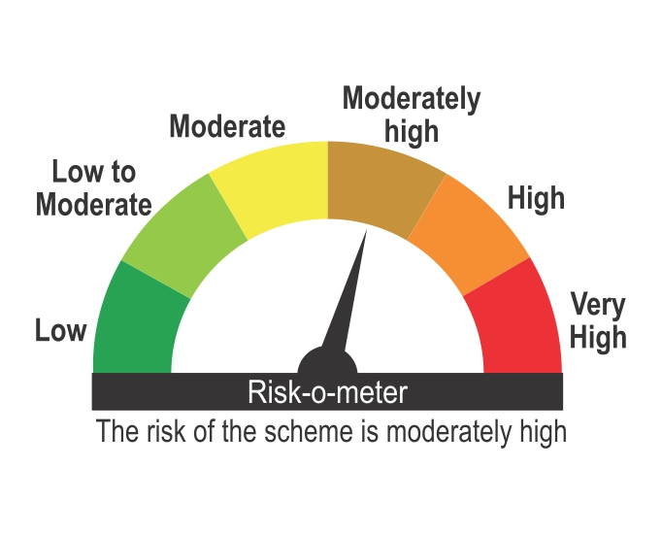

Benchmark Riskometer
Benchmark name - NIFTY Composite Debt Index A-III

